DCF ISD_Mainline
19. INTERSECTION SIGHT DISTANCE

Project: |  |  |  |  |  |  |  | Computed by: | Date:
Major Road: |  |  |  |  |  |  |  | Checked by: | Date:
Minor Road: |  |  |  |  |  |  |  | Page: | of

 | Criteria: (Case B1, B2, B3, and F)
 |  |  |  |  |  |  |  | Major Road Name:
 |  |  |  |  |  |  |  | Minor Road Name:
 |  |  |  |  |  |  |  | Major Road Design Speed: | mph
 |  |  |  |  |  |  |  | Major Road Lane Width: | ft
 |  |  |  |  |  |  |  | Distance from Major Road Traveled Way to Left Turn Lane Stop Bar: | ft
 |  |  |  |  |  |  |  | Distance from Major Road Traveled Way to Right Turn Lane Stop Bar: | ft
 |  |  |  |  |  |  |  | Minor Road Approach Grade: | %
 |  |  |  |  |  |  |  | Are there more than two lanes on Major Road at intersection (including turning lanes)?

 |  |  |  |  |  |  |  | Are there any Median Islands on Major Road at Intersection?

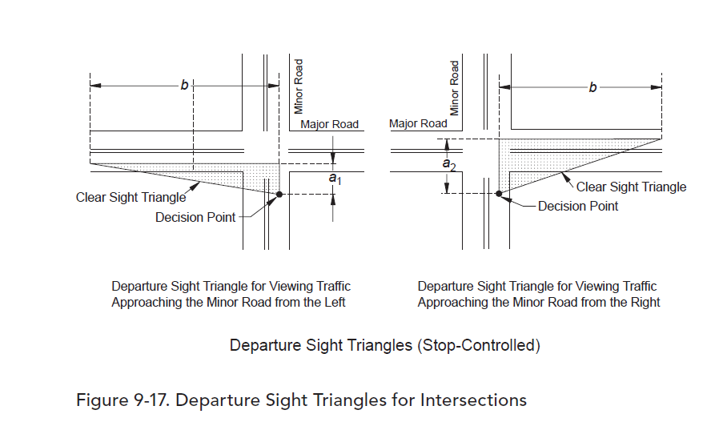

CASE B - INTERSECTIONS WITH STOP CONTROL ON THE MINOR ROAD

Case B1 - Left Turn From Minor Road
Note: Decision Point of the Sight Triangle Shall be on the Minor Roadway, 18.0' from the Major Road Traveled Way; Case B1 typically applies to the right sight triangle, the left sight triangle is normally provided by Case B2 (Right Turn from Minor Road).

 | Criteria |  |  |  | Value |  | Reference
 | Length of Sight Distance Triangle along Minor Road (Length "a" in AASHTO Figure 9-17) |  |  |  | 0 | ft | AASHTO 2018, Page 9-43
 | Time Gap Adjustment for Additional Lanes (Cars) |  |  |  | 0 | sec | AASHTO 2018, Table 9-6 Notes
 | Time Gap Adjustment for Additional Lanes (Trucks) |  |  |  | 0 | sec
 | Time Gap Adjustment for Median Island(s) (Cars) |  |  |  | 0 | sec | AASHTO 2018, Table 9-6 Notes
 | Time Gap Adjustment for Median Island(s) (Trucks) |  |  |  | 0 | sec
 | Time Gap Adjustment for Approach Grade |  |  |  | 0 | sec | AASHTO 2018, Table 9-6 Notes

 | Design Vehicle | Time Gap |  | Intersection Sight Distance (Length "b" in AASHTO Figure 9-17) |  |  |  | Reference
 |  |  |  | Calculated (ft) |  | Design (ft)
 | Passenger Car | 7.5 | sec | 0.00 |  | 0 |  | AASHTO Pages 9-44 - 9-45
 | Sungle-Unit Truck | 9.5 | sec | 0.00 |  | 0 |  | AASHTO Pages 9-44 - 9-45
 | Combination Truck | 11.5 | sec | 0.00 |  | 0 |  | AASHTO Pages 9-44 - 9-45

 | Obstructions/Limits/Additional Notes

Case B2 - Right Turn From Minor Road
Note: Decision Point of the Sight Triangle Shall be on the Minor Roadway, 18.0' from the Major Road Traveled Way

 | Criteria |  |  |  | Value |  | Reference
 | Length of Sight Distance Triangle along Minor Road (Length "a" in AASHTO Figure 9-17) |  |  |  | 0 | ft | AASHTO 2018, Pages 9-37, 9-43
 | Time Gap Adjustment for Approach Grade |  |  |  | 0 | sec | AASHTO 2018, Table 9-8 Notes

 | Design Vehicle | Time Gap |  | Intersection Sight Distance (Length "b" in AASHTO Figure 9-17) |  |  |  | Reference
 |  |  |  | Calculated (ft) |  | Design (ft)
 | Passenger Car | 6.5 | sec | 0.00 |  | 0 |  | AASHTO Pages 9-45 - 9-47
 | Sungle-Unit Truck | 8.5 | sec | 0.00 |  | 0 |  | AASHTO Pages 9-45 - 9-47
 | Combination Truck | 10.5 | sec | 0.00 |  | 0 |  | AASHTO Pages 9-45 - 9-47

 | Obstructions/Limits/Additional Notes

Case B3 - Crossing Maneuver from the Minor Road
Note: Decision Point of the Sight Triangle Shall be on the Minor Roadway, 18.0' from the Edge of the Major Road Traveled Way. This case applies to Crossing Major Roads with Less than Six Lanes.

 | Criteria |  |  |  | Value |  | Reference
 | Length of Sight Distance Triangle along Minor Road (Length "a" in AASHTO Figure 9-17) |  |  |  | 0 | ft | AASHTO 2018, Page 9-43
 | Time Gap Adjustment for Additional Lanes (Cars) |  |  |  | 0 | sec | AASHTO 2018, Table 9-10 Notes
 | Time Gap Adjustment for Additional Lanes (Trucks) |  |  |  | 0 | sec
 | Time Gap Adjustment for Median Island(s) (Cars) |  |  |  | 0 | sec | AASHTO 2018, Table 9-10 Notes
 | Time Gap Adjustment for Median Island(s) (Trucks) |  |  |  | 0 | sec
 | Time Gap Adjustment for Approach Grade |  |  |  | 0 | sec | AASHTO 2018, Table 9-8 Notes

 | Design Vehicle | Time Gap |  | Intersection Sight Distance (Length "b" in AASHTO Figure 9-17) |  |  |  | Reference
 |  |  |  | Calculated (ft) |  | Design (ft)
 | Passenger Car | 6.5 | sec | 0.00 |  | 0 |  | AASHTO Pages 9-45, 9-49
 | Sungle-Unit Truck | 8.5 | sec | 0.00 |  | 0 |  | AASHTO Pages 9-45, 9-49
 | Combination Truck | 10.5 | sec | 0.00 |  | 0 |  | AASHTO Pages 9-45, 9-49

 | Obstructions/Limits/Additional Notes

CASE F - LEFT TURNS FROM THE MAJOR ROAD

 | Criteria |  |  |  | Value |  | Reference
 | Time Gap Adjustment for Additional Lanes (Cars) |  |  |  | 0 | sec | AASHTO 2018, Table 9-16 Notes
 | Time Gap Adjustment for Additional Lanes (Trucks) |  |  |  | 0 | sec
 | Time Gap Adjustment for Median Island(s) (Cars) |  |  |  | 0 | sec | AASHTO 2018, Table 9-16 Notes
 | Time Gap Adjustment for Median Island(s) (Trucks) |  |  |  | 0 | sec

 | Design Vehicle | Time Gap |  | Intersection Sight Distance (Length "b" in AASHTO Figure 9-17) |  |  |  | Reference
 |  |  |  | Calculated (ft) |  | Design (ft)
 | Passenger Car | 5.5 | sec | 0.00 |  | 0 |  | AASHTO Pages 9-45, 9-56, 9-57
 | Sungle-Unit Truck | 6.5 | sec | 0.00 |  | 0 |  | AASHTO Pages 9-45, 9-56, 9-57
 | Combination Truck | 7.5 | sec | 0.00 |  | 0 |  | AASHTO Pages 9-45, 9-56, 9-57

 | Obstructions/Limits/Additional Notes

